Sheet1
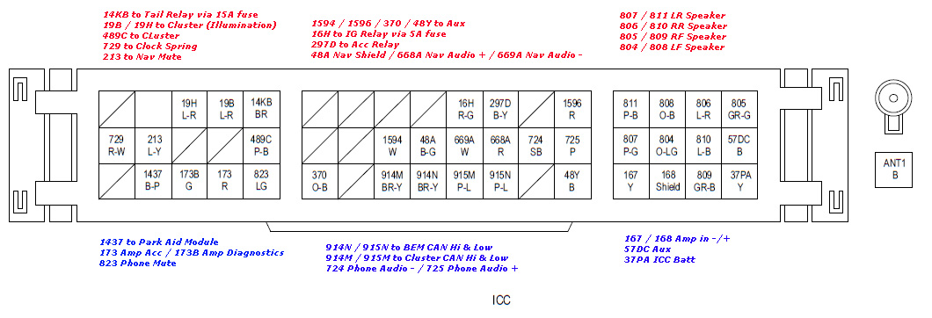
Name | Position | Input/Output | Description | Required/Optional | Replicate the Connection | Certain
Tail Relay (via 15A fuse) | 14KB | Output | Possibly rear tail lights??? | Required |  | Unsure
Cluster (illumination) | 19B/19H | Output | Possibly power to illuminate lights on the cluster??? | Required |  | No Idea
Cluster | 489C | Output | Possibly power to cluster??? | Required
Clock Spring | 729 | Input??? | Steering wheel buttons (cruise control), airbag | Required
Nav Mute | 213 | Input | Possibly sat nav??? | Optional
Aux | 1594/1596/370/48Y | Input | 6 pin connector, FL FR RL RR GND and loop bridge | Optional | NA / input
IG (Ignition) Relay (via 5A fuse) | 16H | Output | Provides power to the vehicles ignition system??? | Required
ACC (Accessories) Relay | 297D | Output | Provides power for accessories??? | Optional*
LR Speaker | 807/811 | Output | Speaker out | Optional | Send audio signal through direct wiring
RR Speaker | 806/810 | Output | Speaker out | Optional | Send audio signal through direct wiring
RF Speaker | 805/809 | Output | Speaker out | Optional | Send audio signal through direct wiring
LF Speaker | 804/808 | Output | Speaker out | Optional | Send audio signal through direct wiring
Park Aid Module | 1437 | Input | Parking sensor | Optional | NA / input
Amp Acc / Amp Diagnostics | 173/173B | Output | Possibly sends diagnostic codes??? | Optional
Phone Mute | 823 | Input | Goes to 4 pin connector, 12V constant, 12V acc, phone mute, ground | Optional | NA / input
BEM CAN Hi & Low | 914N/915N | Input/Output | CAN BUS System | Required | Decode input / send appropriate output
Cluster CAN Hi & Low | 914M/915M | Input/Output | CAN BUS System | Required | Decode input / send appropriate output
Phone Audio -+ | 724/725 | Input | Goes to 2 pin connector +- audio signal | Optional | NA / input
Amp in -+ | 167/168 | Input | signal input to amp +- | Optional | NA / input
Aux | 57DC | Input |  | Optional | NA / input
ICC Bat | 37PA | Input | Power to the ICC | Required | NA / input

